Hoja1
a | 1
b | 4 | a-b
c | 8 | b-c
d | 0 | a-d
e | 2 | a-e
f | 5 | b-f
g | 6 | f-g
h | 14 | d-h
i | 13 | f-i
j | 12 | k-j
k | 7 | c-k

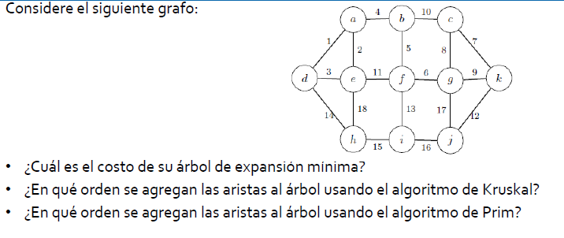

 |  |  | COSTO | 72

 |  |  | d-a | 1 | 1
 |  |  | a-e | 2 | 2
 |  |  | d-e | 3 | ---
 |  |  | a-b | 4 | 3
 |  |  | b-f | 5 | 4
 |  |  | f-g | 6 | 5
 |  |  | c-k | 7 | 6
 |  |  | c-g | 8 | 7
 |  |  | g-k | 9 | ---
 |  |  | b-c | 10 | ---
 |  |  | e-f | 11 | ---
 |  |  | j-k | 12 | 8
 |  |  | f-i | 13 | 9
 |  |  | d-h | 14 | 10
 |  |  | h-i | 15 | ---
 |  |  | i-j | 16 | ---
 |  |  | j-k | 17 | ---
 |  |  | e-h | 18 | ---

 |  |  | d-a | 1 | 1
 |  |  | a-e | 2 | 2
 |  |  | d-e | 3
 |  |  | a-b | 4 | 3
 |  |  | b-f | 5 | 4
 |  |  | f-g | 6 | 5
 |  |  | c-k | 7 | 7
 |  |  | c-g | 8 | 6
 |  |  | g-k | 9
 |  |  | b-c | 10
 |  |  | e-f | 11
 |  |  | j-k | 12 | 8
 |  |  | f-i | 13 | 9
 |  |  | d-h | 14 | 10
 |  |  | h-i | 15
 |  |  | i-j | 16
 |  |  | j-k | 17
 |  |  | e-h | 18

